Ark1
 |  | www.pladespilleren.dk |  |  |  |  | (the recordplayer. dk) |  |  | Last update 12 April 2021
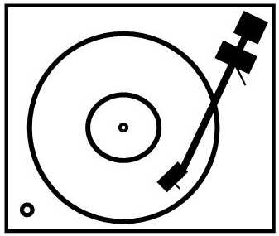 |  |  | Calculating the load and gain of a SUT - Guide and example at the bottom of the page
 |  |  |  | Yellow boxes to add values - blue boxes are calculated results

 | SUT and cartridge |  |  |  |  |  |  | SUT with impedance correction

Calculating load and gain in your SUT |  |  |  |  |  |  |  | Changing the input load with a resistor across the SUT output
 |  |  |  |  |  |  |  | (Not recommended with cartridges having a higher outputimpedance or SUT with high winding ration)
Enter your SUTs specifications. We need to know the ratio beteween primary and secundary wining. Most of the manufacturere will inform this - i.e. Lundahl |  |  |  |  |  |  |  | Please note! The data on the left must be filled in first!
As default the data for the Lundahl LL1933 has been entered |  |  |  |  |  |  |  | Chose a resistor to be coupled parallel to the SUT output |  |  | Ny resulterende modstand

RIAA input impedance |  | 47000 | ohms | typically 47.000 ohm |  |  |  | 100000 | ohms |  | 31972.789116 | ohm
SUT - primary winding ratio |  | 1 | rattio | Ratio (detault 1) |  |  |  |  |  |  | 1 | forhold
SUT - secondary winding ratio |  | 16 | ratio | Ratio (default 16) |  |  |  |  |  |  | 16 | forhold

Calculated primary impedance |  | 183.6 | ohm | Calculated MC cartridge load |  |  |  | New resulting input load |  |  | 124.9 | ohm
Calculated secondary imped. |  | 1280.0 | ohm | SUT output impedance

 |  |  |  |  |  |  |  | Changing the load will also change the gain through the SUT.

Having determined the SUT specs, we have to enter the MC-cartridge specs |  |  |  |  |  |  |  | New calculated gain

Cartridge outputlevel |  | 0.35 | mV (default is 0,35 mV) |  |  |  |  | Cartridge outputlevel |  |  | 0.35 | mV
Cartidge coil impedance |  | 5 | ohms (default is 5 ohms) |  |  |  |  | Cartridge coil impedance |  |  | 5 | ohm (default er 10 ohm)
Curren output |  | 0.070 | microampere
SUT output |  | 5.60 | mV (aprox 5 mV will fit most RIAAs) |  |  |  |  | SUT output |  |  | 5.60 | mV (normalt er ca. 5mV passende)
SUT gain |  | 16.00 | times | 24.08 | dB |  |  | SUT gain |  |  | 16.00 | gange | 24.1 | dB
Loading loss |  | 0.03 | times | -0.23 | dB | 0.97 |  | Additional loading loss |  |  | 0.04 | gange | -0.3 | dB | 0.96
The resulting SUT output |  | 5.45 | mV |  |  |  |  |  |  |  | 5.38 | mV
Resulting gain |  |  |  | 23.85 | dB |  |  | Reultin gain after impedance correction |  |  |  |  | 23.7 | dB

* Remenber tha the secodary of your SUT may be sensible to capaciteve loads. |  |  |  |  |  |  |  | Impedance correction on the primary |  |  | New resulting load
With higher output impedance the more the SUT will be sensitive to capacite loads. |  |  |  |  |  |  |  |  |  |  | Withouf sec. Corr. |  | With sec. Correction
Output impedance should preferably be less than 1/10 of the RIAA load. |  |  |  |  |  |  |  | 10 | ohm |  | 9.5 | ohm | 9.3 | ohm
 |  |  |  |  |  |  |  |  |  |  | 1 | forhold | Ratio (detault 1) | forhold
SUT examples: |  | Ratio |  |  | Gain |  | Gain |  |  |  | 16 | forhold | Ratio (default 16) | forhold
Ortofon T 3000 |  | 1:32 |  |  | 30.1 | dB
Ortofon SE-80 |  | 1:22,5 - gæt |  |  | 27.0 | dB |  | New resulting input load |  |  | 9.5 | ohm | 9.3 | ohm
Ortofon T-20 |  | 1:40 - gæt |  |  | 32.0 | dB
Denon AU-1000 |  | 1;13,5 |  |  | 22.6 | dB
Lundahl LL 1933 or. LL 1931 |  | 1:16 eller 1:8 |  |  | 24.1 | dB | 18.1 | Changing hte input load will also lower the gain
Lundahl LL 1681 |  | 1:26 eller 1:13 |  |  | 28.3 | dB | 22.3 | At the same time the resulting output impedance will be lowered.
My Sonic Lab Stage 1030 |  | 1:20 |  |  | 26.0 | dB
Audio Note AN-S8 MC trafo |  | 1:44 eller 1:12,5 |  |  | 32.9 | dB | 21.9
Ikeda IST-201 |  | 1.20 |  |  | 26.0 | dB
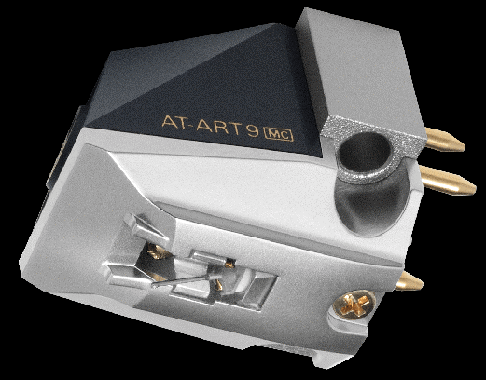
Calculating example:
We have the Audio Technica AT-ART9 cartridge, which we will use with the Lundahl LL 1933 SUT

The ratio is 1:16 (the default in the spreadsheet)
The AT-ART9 has an inner impedance of 12 ohms and will put out 0,5 mV
The RIAA has been set to default value - 47.000 ohms

Entering these values the spreadsheet wil show, that we hav a load of 183,6 ohms on the SUT input
The SUTs outputimpedance wil be 3072 ohm, så please use short low capacity cables
The 0,5 mV in wil be changed to 7,51 mV on the SUT output - a really usefull value for the RIAA.

But…! Audio Technica recommends "minimum 100 ohms belastning". The 183,6 ohm could be OK, but maybe…
If we want to do something about this, put a 56.000 ohms resistor parallel with the SUT output. See the
right side of the spreadsheet. Now we get a load of 99,8 ohms and we still have a healthy 7,14 mV out

What will work best comes dow the a final listening!

www.pladespilleren.dk

